Matrix
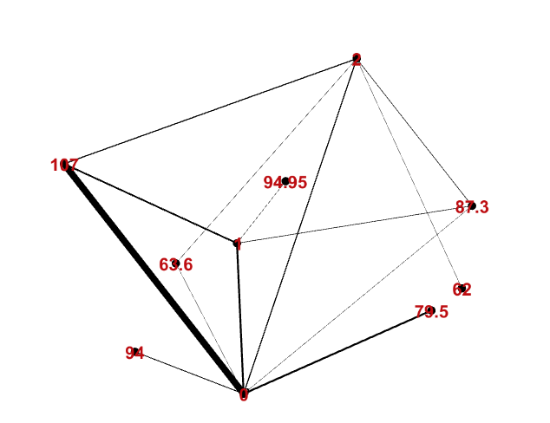
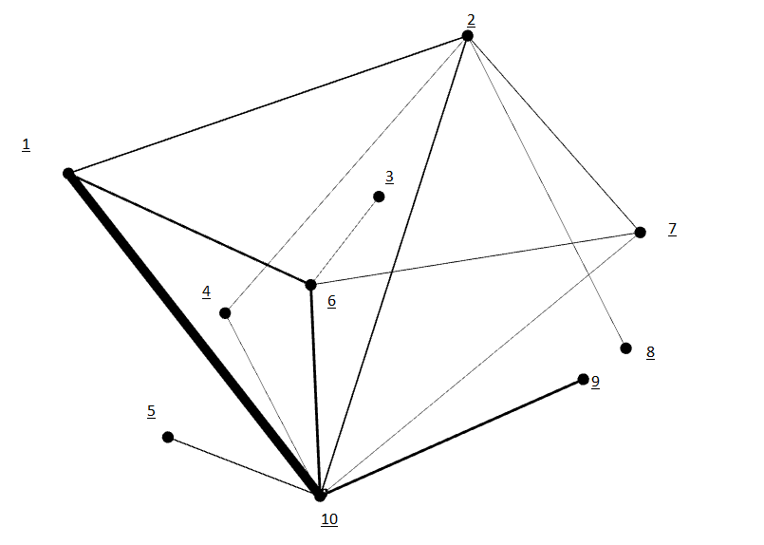
Bảng mapping thuộc tính
1 | 107
2 | 2
3 | 94.95
4 | 63.6
5 | 94
6 | 1
7 | 87.3
8 | 62
9 | 79.5
10 | 0

Ma trận kề

